Test Result(A1)
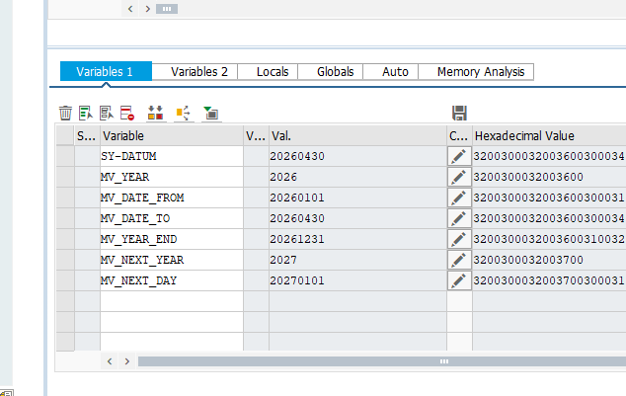
Function ID | Function Name | Created/Updated by | Created date | Reviewed by | Reviewed Date
ZCL_CUST_RANK_YTD_CDS | Customer Rank YTD Processing and Notification | DatNV | 25/04/2026 | DucNM | 2026-04-29

Execution Evidence | Section A1 execution screenshots / logs
Use this sheet to paste screenshots, logs, DB verification output, or email evidence during SIT/UAT.

Test Result(A2)
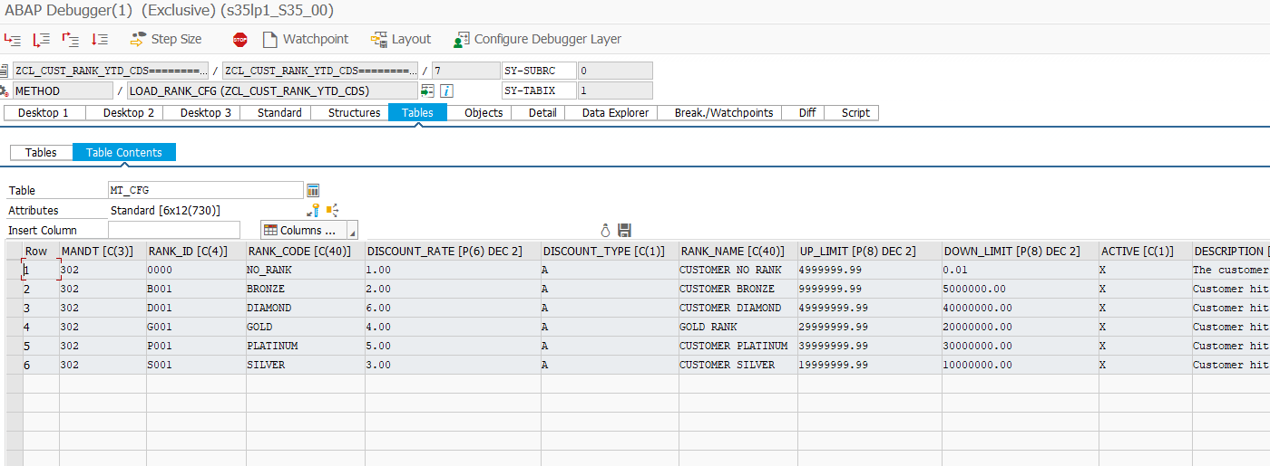
Function ID | Function Name | Created/Updated by | Created date | Reviewed by | Reviewed Date
ZCL_CUST_RANK_YTD_CDS | Customer Rank YTD Processing and Notification | DatNV | 25/04/2026 | DucNM | 2026-04-29

Execution Evidence | Section A2 execution screenshots / logs
Use this sheet to paste screenshots, logs, DB verification output, or email evidence during SIT/UAT.

Test Result(B1)
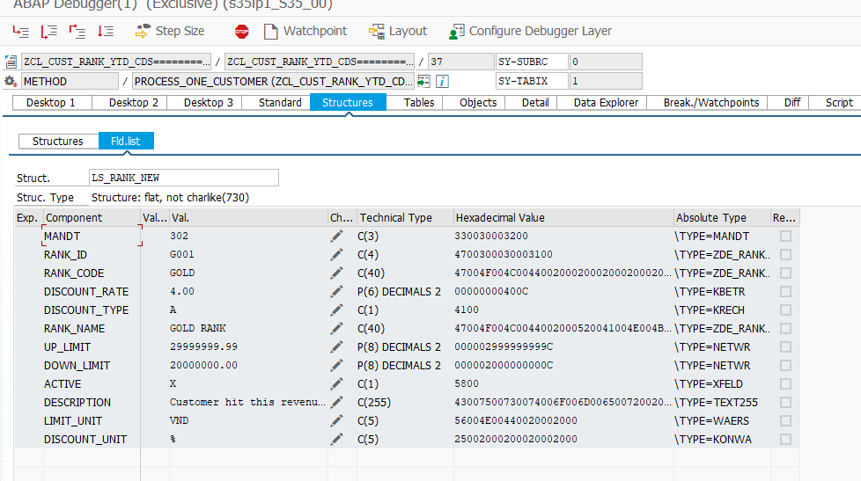
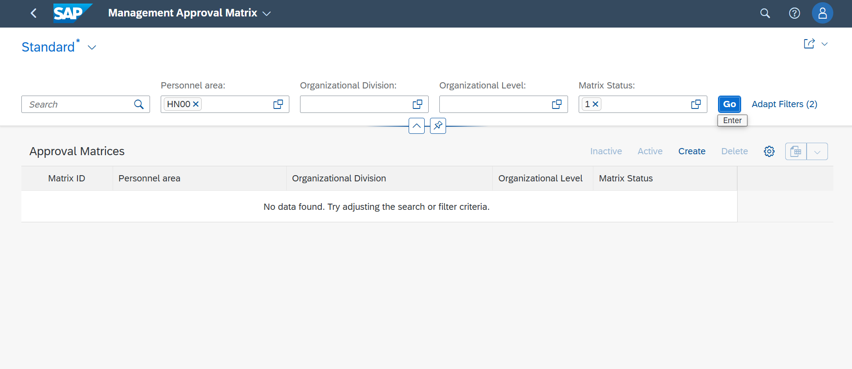
Function ID | Function Name | Created/Updated by | Created date | Reviewed by | Reviewed Date
ZCL_CUST_RANK_YTD_CDS | Customer Rank YTD Processing and Notification | DatNV | 25/04/2026 | DucNM | 2026-04-29

Execution Evidence | Section B1 execution screenshots / logs
Use this sheet to paste screenshots, logs, DB verification output, or email evidence during SIT/UAT.

Test Result(B2)
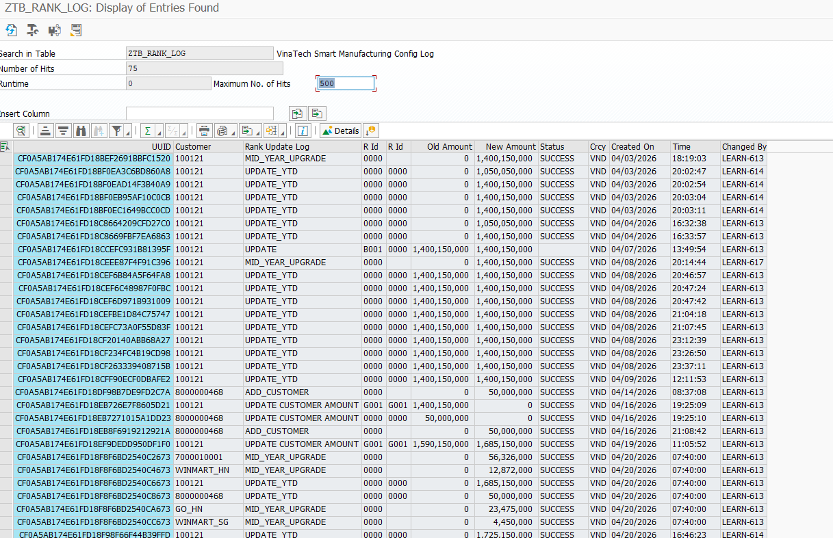
Function ID | Function Name | Created/Updated by | Created date | Reviewed by | Reviewed Date
ZCL_CUST_RANK_YTD_CDS | Customer Rank YTD Processing and Notification | DatNV | 25/04/2026 | DucNM | 2026-04-29

Execution Evidence | Section B2 execution screenshots / logs
Use this sheet to paste screenshots, logs, DB verification output, or email evidence during SIT/UAT.

Test Result(B3)
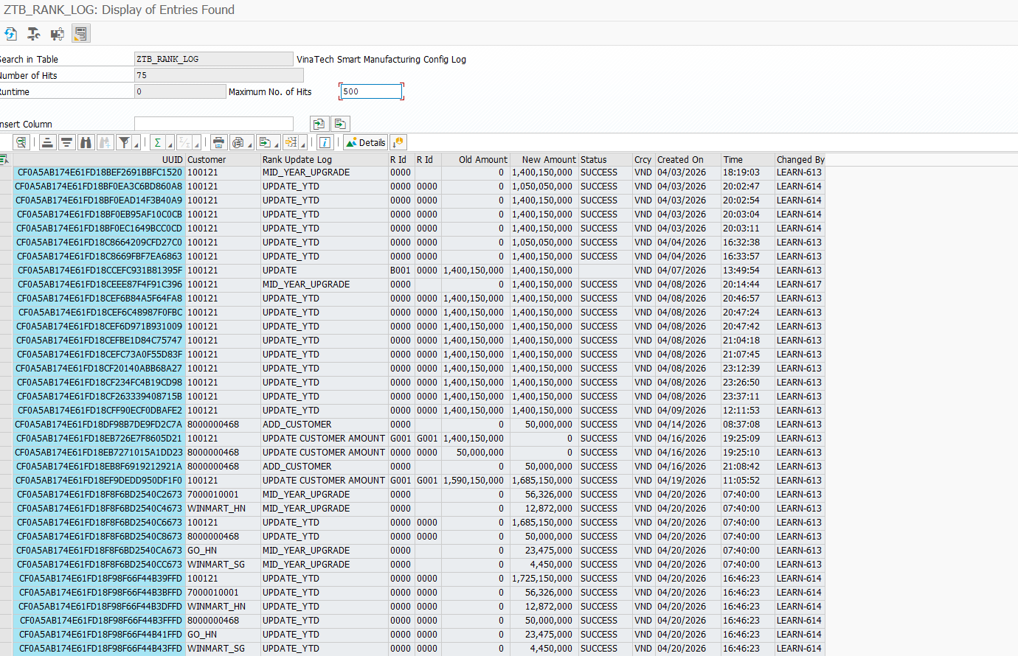
Function ID | Function Name | Created/Updated by | Created date | Reviewed by | Reviewed Date
ZCL_CUST_RANK_YTD_CDS | Customer Rank YTD Processing and Notification | DatNV | 25/04/2026 | DucNM | 2026-04-29

Execution Evidence | Section B3 execution screenshots / logs
Use this sheet to paste screenshots, logs, DB verification output, or email evidence during SIT/UAT.

Test Result(B4)
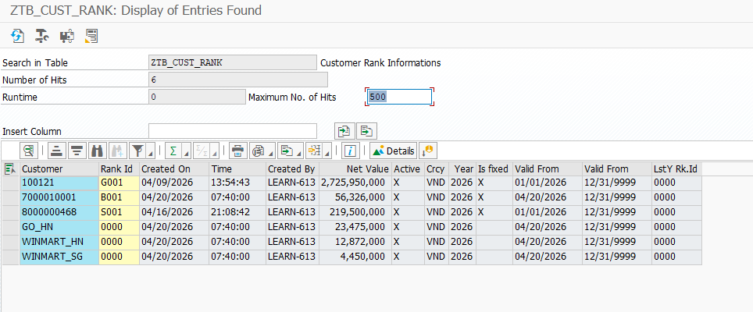
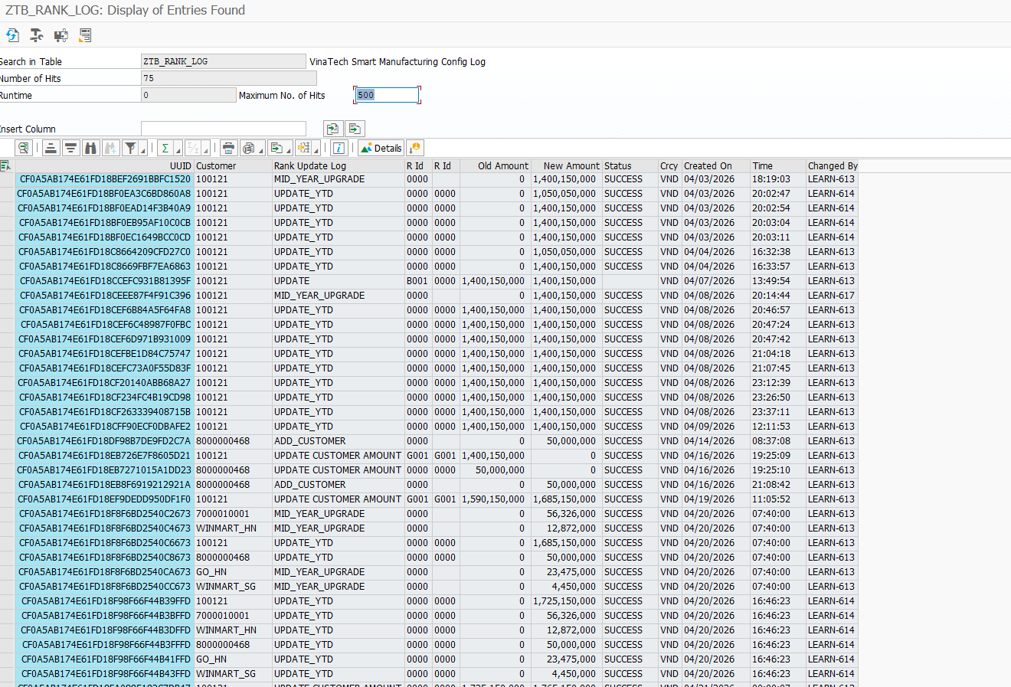
Function ID | Function Name | Created/Updated by | Created date | Reviewed by | Reviewed Date
ZCL_CUST_RANK_YTD_CDS | Customer Rank YTD Processing and Notification | DatNV | 25/04/2026 | DucNM | 2026-04-29

Execution Evidence | Section B4 execution screenshots / logs
Use this sheet to paste screenshots, logs, DB verification output, or email evidence during SIT/UAT.

